GP.0004
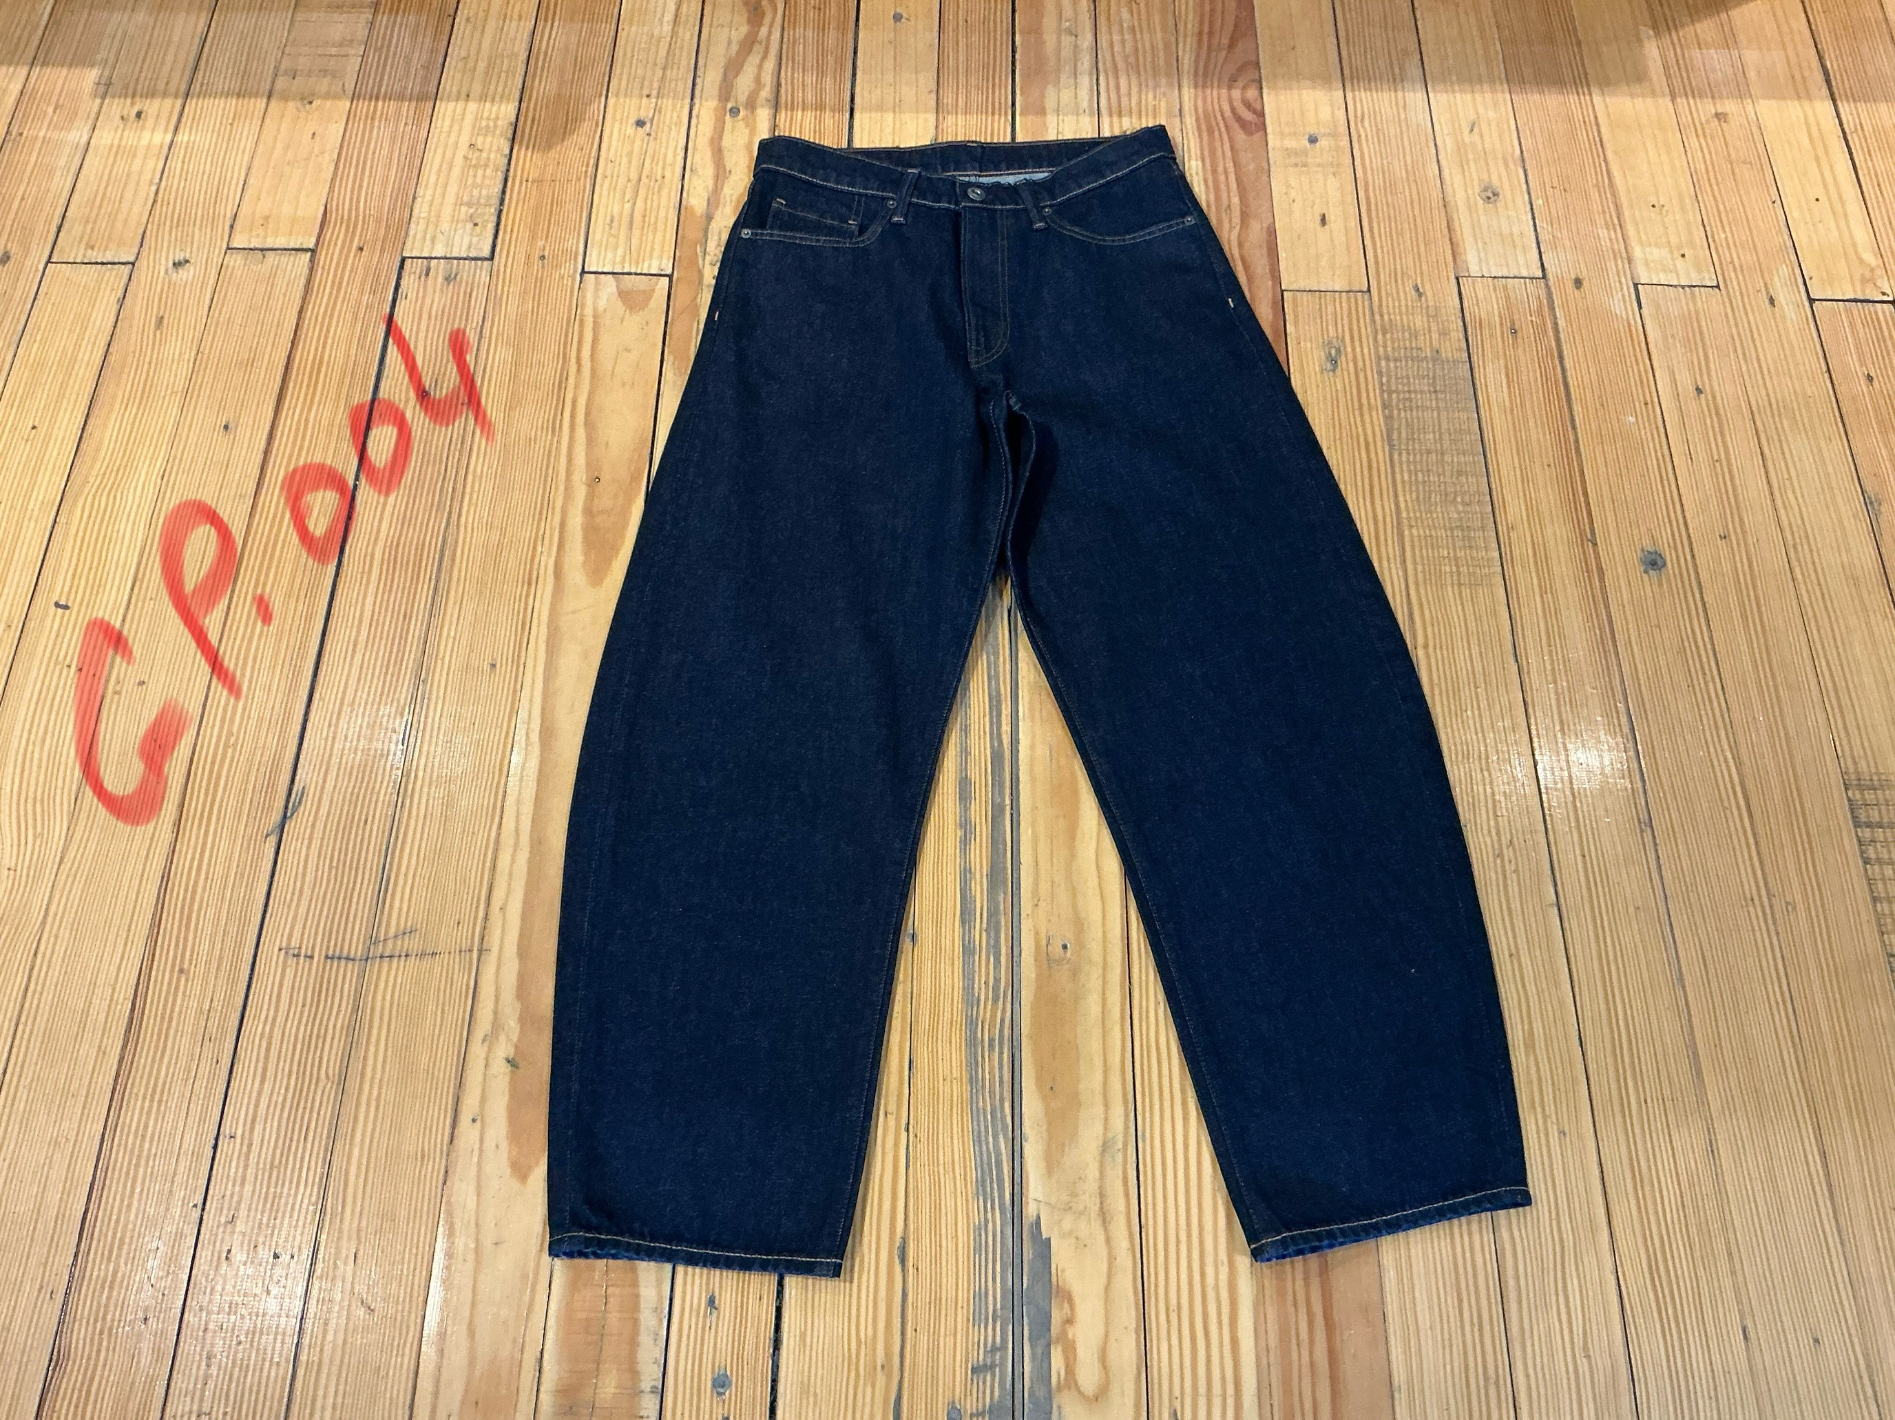
dcr
DATE | 2025-04-29 |  |  | WASH:CODE |  | GP.0004
FINISHER:CODE | VICTOR RINSE |  |  |  |  | DRYPROCESS.AND WET PROCES
MODEL:CODE | D.64530 BAGGY
SAP CODE | 60121202
FABRIC:CODE | ATRISTIC:ARCHIE REGEN DK INDIGO AGI 15131-RA/A-127
QUANTITY | 3-PCS
ROLL:CODE | ROLL:110
FAB. WEIGHT
UNITS
TYPE MACHINE
DRYING TIME (Min.) :
COMMENTS:
PAGE |  |  |  | WASH:SUPERVISOR:HUSSAM/ATIF
 | E | of | 1 |  |  |  | Supplier | PH Value
ACTION | TIME | TEMP | Liters | AMT | UNITS | Chemicals
 | WASH ASPER.ORJ
 | PROCESS IN REVERSE.
DESIZE | 5 | 40 | 150 | 1 | GRM | LAVA SPERSE
RINSE X2 | 2 | RT | 150 | 1 | GRM | LUBRICANT

WASH FIX | 5 | 45 | 150 | 600 | GRM | ROYA-FIX FIX. %4
RINSE X2 | 2 | RT | 150 | 75 | GRM | A.ACID. PH/6
EXTRACT&DRY
 | OZON %20 2 MUNITES |  |  |  |  | RINSE X2
WASH SOFT |  | 35 |  |  | GRM | NEARSopht/WO3
EXTRACT&DRY |  |  |  |  | GRM | A.ACID. PH/5

